F-MIS-016
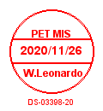
ACCOUNT REQUEST FORM

User Information |  |  |  |  | Request |  |  | Information System Request
ID No. | First name | Middle Initial | Last name | Department | Add | Edit | Delete | Windows | Email | SEINE2 | CMMS
12312 | Juan | A | Tamad |  | * |  |  | * | * | * | *

